Hiearchy View
CLASS: SMOKE MANAGEMENT SYSTEM
a system that controls the movement of smoke and air in a building. |  | 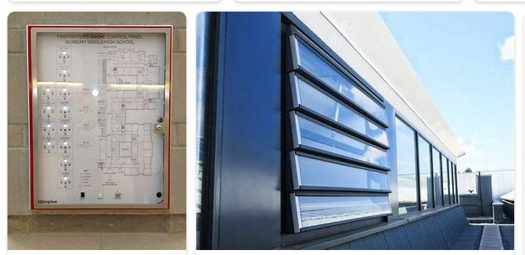
REMOVE | N

PROBLEM_DESC | CAUSE_DESC | REMEDY_DESC
ALARM/SENSOR
BROKEN/DAMAGED
LEAKING
LIGHTING
NOISE
OTHER PROBLEM
OVERHEATING
POWER-ELEC
PRESSURE
STOPPED/SLOWED/POOR OPS
TEMP-CTRL
VIBRATION
Grand Total

